Sheet1
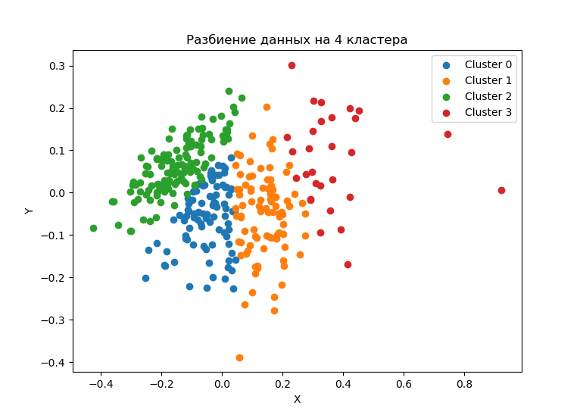
clust | VDS_r | AIusage_r | BDusage_r
0 | 322038.60 | 5.66% | 23.14%
0 | 1444403.01 | 5.26% | 23.37%
1 | 290575.45 | 7.73% | 32.49%
1 | 1753129.03 | 7.28% | 36.56%
2 | 254423.94 | 6.22% | 10.92%
2 | 1454886.21 | 5.59% | 11.15%
3 | 197172.26 | 11.51% | 43.12%
3 | 1798102.01 | 11.65% | 41.98%

clust | factoriescap_s | AIusage_r | BDusage_r
0
0 | 4.49 | -7% | 1%
1
1 | 6.03 | -6% | 13%
2
2 | 5.72 | -10% | 2%
3
3 | 9.12 | 1% | -3%

clust | VDS_r | AIusage_r | BDusage_r
0 | 556411.93 | 5.53% | 22.04%
1 | 697192.49 | 7.76% | 34.40%
2 | 445552.59 | 5.76% | 11.12%
3 | 388790.84 | 11.01% | 41.40%

